Geometry
Overall dimensions of rocket
Length (m) | 2.5
Diameter (cm) | 12.7
Cr (cm) | 15
Ct (cm) | 10
LE (deg) | 30
Cross-Sec A (m^2) | 1.39E-02
Enlarging (cm) | 20

 | References
30 |  | 0 | 0
cm |  | 1.875 | 0.396875
0.3 |  | 5.625 | 1.190625
m |  | 9.375 | 1.984375
 |  | 13.125 | 2.778125
 |  | 16.875 | 3.571875
 |  | 20.625 | 4.365625
 |  | 24.375 | 5.159375
 |  | 28.125 | 5.953125
 |  | 30 | 6.35
Geometry determination of components
Type | Conical |  |  |  |  | X | Y | Y(-) |  |  | Type | Ogive |  |  |  |  | X | Y | Y(-)
Nosecone |  |  |  |  |  | 0 | 0 | 0 |  |  | Nosecone |  |  |  |  |  | 0 | 0 | 0
 |  |  |  |  |  | 1.875 | 0.396875 | -0.396875 |  |  |  |  |  |  |  |  | 1.875 | 0.80028140974 | -0.80028140974
 |  |  |  |  |  | 5.625 | 1.190625 | -1.190625 |  |  |  |  |  |  |  |  | 5.625 | 2.2227341724 | -2.2227341724
 |  |  |  |  |  | 9.375 | 1.984375 | -1.984375 |  |  |  |  |  |  |  |  | 9.375 | 3.419336005 | -3.419336005
 |  |  |  |  |  | 13.125 | 2.778125 | -2.778125 |  |  |  |  |  |  |  |  | 13.125 | 4.4013339085 | -4.4013339085
 |  |  |  |  |  | 16.875 | 3.571875 | -3.571875 |  |  |  |  |  |  |  |  | 16.875 | 5.1774045962 | -5.1774045962
 |  |  |  |  |  | 20.625 | 4.365625 | -4.365625 |  |  |  |  |  |  |  |  | 20.625 | 5.754076247 | -5.754076247
 |  |  |  |  |  | 24.375 | 5.159375 | -5.159375 |  |  |  |  |  |  |  |  | 24.375 | 6.1360215887 | -6.1360215887
 |  |  |  |  |  | 28.125 | 5.953125 | -5.953125 |  |  |  |  |  |  |  |  | 28.125 | 6.3262551689 | -6.3262551689
 |  |  |  |  |  | 30 | 6.35 | -6.35 |  |  |  |  |  |  |  |  | 30 | 6.35 | -6.35
$$f\left(x\right)=\sqrt{R^{2}−{\left(L−x\right)}^{2}}−(R−r)$$
Geometry description |  | X |  |  |  |  |  |  |  |  | Geometry description | R | 74.041141732
 | Eq for curvature | 0.21166666667 |  |  |  |  |  |  |  |  |  | Eq for curvature | -
$R=\frac{\text{(}r^{2}+L^{2})}{2r}$
 | Diameter | 12.7 | cm | 0.127 | m |  |  |  |  |  |  | Diameter | 12.7 | cm | 0.127 | m
 | Large | 30 | cm | 0.3 | m |  |  |  |  |  |  | Large | 30 | cm | 0.3 | m
Comments | Nosecone type conical, easy to manufacture and design. High drag and less heat transfer. |  |  |  |  |  |  |  |  |  | Comments | Nosecone type conical, easy to manufacture and design. High drag and less heat transfer.
References | Solidworks Tutorial - Equation Driven Curve - YouTube |  |  |  |  |  |  |  |  |  | References | Solidworks Tutorial - Equation Driven Curve - YouTube

Type |  |  |  |  |  | X | Y | Y(-)
Rocket tube |  |  |  |  |  | 30 | 6.35 | -6.35
 |  |  |  |  |  | 36.3 | 6.35 | -6.35
 |  |  |  |  |  | 48.8 | 6.35 | -6.35
 |  |  |  |  |  | 61.3 | 6.35 | -6.35
 |  |  |  |  |  | 73.8 | 6.35 | -6.35
 |  |  |  |  |  | 86.3 | 6.35 | -6.35
 |  |  |  |  |  | 98.8 | 6.35 | -6.35
 |  |  |  |  |  | 111.3 | 6.35 | -6.35
 |  |  |  |  |  | 123.8 | 6.35 | -6.35
 |  |  |  |  |  | 130.0 | 6.35 | -6.35
Geometry description | Transition diameter
 | Diameter | 12.7 | cm | 0.127 | m
 | Length | 100 | cm | 1 | m
Comments | Fuselage tube for intern components
References

 |  |  |  |  |  |  |  |  | AERO mark |  |  |  |  |  |  |  |  |  |  | AERO mark
Type | Sweeped |  |  |  |  | X | Y(LE) | Y(LE-) | X_aero | Y(LE) | Type | Tapered 1/4 chord |  |  |  |  | X | Y(LE) | Y(LE-) | Y(LE) | Y(-LE)
Fins |  |  |  |  |  | 110.000 | 6.350 | -6.350 | 84.600 | 0.000 | Fins |  |  |  |  |  | 110.0 | 6.35 | -6.4 | 0
 |  |  |  |  |  | 110.938 | 10.100 | -10.100 | 110.000 | 3.000 |  |  |  |  |  |  | 110.9375 | 10.1 | -10.1 | 3 | -3
 |  |  |  |  |  | 112.813 | 17.600 | -17.600 | 110.938 | 10.100 |  |  |  |  |  |  | 112.8125 | 17.6 | -17.6 | 3.46875 | -3.46875
 |  |  |  |  |  | 114.688 | 25.100 | -25.100 | 112.813 | 17.600 |  |  |  |  |  |  | 114.6875 | 25.1 | -25.1 | 4.40625 | -4.40625
 |  |  |  |  |  | 116.563 | 26.350 | -26.350 | 114.688 | 25.100 |  |  |  |  |  |  | 116.5625 | 26.35 | -26.4 | 5.34375 | -5.34375
 |  |  |  |  |  | 118.438 | 26.350 | -26.350 | 116.563 | 26.350 |  |  |  |  |  |  | 118.4375 | 26.35 | -26.4 | 6.28125 | -6.28125
 |  |  |  |  |  | 120.313 | 26.350 | -26.350 | 118.438 | 26.350 |  |  |  |  |  |  | 120.3125 | 26.35 | -26.4 | 7.21875 | -7.21875
 |  |  |  |  |  | 122.188 | 26.350 | -26.350 | 120.313 | 26.350 |  |  |  |  |  |  | 122.1875 | 26.35 | -26.4 | 8 | -8
 |  |  |  |  |  | 125.000 | 26.350 | -26.350 | 125.000 | 26.350 |  |  |  |  |  |  | 125.0 | 26.35 | -26.4 | 8 | -8
 |  |  |  |  |  | 125.000 | 6.350 | -6.350 | 125.000 | 0.000 |  |  |  |  |  |  | 125.0 | 6.35 | -6.4
Geometry description | slope | 0.25 | LE sweep | 14.036243468 | deg | Aero-geometry corrected |  |  | AR | 1.0456349206 | Geometry description | Transition
 | B1 | 21.1
 | Cross-sec A (per fin) | 3.00E-04 | m^2 |  |  | Fyn type | Trapezoidal
 | Thickness | 2.0 | mm |  |  | Enlarging (per fin) | 15
 | Ct | 10 | cm | 0.1 | m | Ct | 10 | cm | 0.1 | m |  | Ct | 10 | cm | 0.1 | m
 | Cr | 15 | cm | 0.15 | m | Cr | 40.4 | cm | 0.404 | m |  | Cr | 15 | cm | 0.15 | m
 | Taper ratio | 0.66666666667 | - |  |  | Taper ratio | 0.24752475248 | - | 0.24752475248
 | Semi-wing | 20 | cm | 0.2 | m | Span | 52.7 | cm | 0.527 | m |  | Semi-wing | 20 | cm | 0.2 | m
 | Location | 5 | cm | 0.05 | m | Total surface reference | 1328.04 | cm^2 | 0.265608 | m^2 |  | Location | 5 | cm | 0.05 | m
Comments | Sweeped fins easy to manufacture |  |  |  |  |  |  |  |  |  | Comments | Tapered fins are efficient but complicated to manufacture. Efficient at low speeds
References |  |  |  |  |  |  |  |  |  |  | References

DATA

Fin type | Sweeped | Tapered 1/4 | Tapered sweeped | Column4 | Column5
Ct | 10.000 | 0.100
Cr | 40.400 | 0.404
Taper ratio | 0.248 | 0.248
Span | 52.700 | 0.527
Surface area | 1328.040 | 0.266

Type |  |  |  |  |  | X | Y | Y(-)
Boat-tail |  |  |  |  |  | 130.00 | 6.35 | -6.35
 |  |  |  |  |  | 130.50 | 6.09 | -6.09
 |  |  |  |  |  | 131.50 | 5.58 | -5.58
 |  |  |  |  |  | 132.50 | 5.07 | -5.07
 |  |  |  |  |  | 133.50 | 4.56 | -4.56
 |  |  |  |  |  | 134.50 | 4.04 | -4.04
 |  |  |  |  |  | 135.50 | 3.53 | -3.53
 |  |  |  |  |  | 136.50 | 3.02 | -3.02
 |  |  |  |  |  | 137.50 | 2.51 | -2.51
 |  |  |  |  |  | 138.00 | 2.25 | -2.25
Geometry description | Diameter transition | 4.5 |  |  |  | 138.00 | 0 | 0
 | Diameter to rocket | 12.7 | cm | 0.127 | m
 | Length | 8 | cm | 0.08 | m
Comments | Boat-tail according to literature reduce tail drag in burnout condition
References

Forces balance
Geometry x-y
 | Cone+ |  | Cone- |  | RT+ |  | RT- |  | FUP |  | FDN |  | BT+ |  | BT- |  | CG |  | RocketCG
0 | 0 | 0 | 0 | 30.0 | 6.35 | 30.0 | -6.35 | 110.000 | 6.350 | 110.000 | -6.350 | 130.00 | 6.35 | 130.00 | -6.35 | 20 | 0 | 58.960 | 0.405
1.875 | 0.396875 | 1.875 | -0.396875 | 36.3 | 6.35 | 36.3 | -6.35 | 110.938 | 10.100 | 110.938 | -10.100 | 130.50 | 6.09 | 130.50 | -6.09 | 80 | 0
5.625 | 1.190625 | 5.625 | -1.190625 | 48.8 | 6.35 | 48.8 | -6.35 | 112.813 | 17.600 | 112.813 | -17.600 | 131.50 | 5.58 | 131.50 | -5.58 | 120 | 6
9.375 | 1.984375 | 9.375 | -1.984375 | 61.3 | 6.35 | 61.3 | -6.35 | 114.688 | 25.100 | 114.688 | -25.100 | 132.50 | 5.07 | 132.50 | -5.07 | 120 | -6
13.125 | 2.778125 | 13.125 | -2.778125 | 73.8 | 6.35 | 73.8 | -6.35 | 116.563 | 26.350 | 116.563 | -26.350 | 133.50 | 4.56 | 133.50 | -4.56 | 120 | 0
16.875 | 3.571875 | 16.875 | -3.571875 | 86.3 | 6.35 | 86.3 | -6.35 | 118.438 | 26.350 | 118.438 | -26.350 | 134.50 | 4.04 | 134.50 | -4.04 | 120 | 0
20.625 | 4.365625 | 20.625 | -4.365625 | 98.8 | 6.35 | 98.8 | -6.35 | 120.313 | 26.350 | 120.313 | -26.350 | 135.50 | 3.53 | 135.50 | -3.53 | 0 | 0
24.375 | 5.159375 | 24.375 | -5.159375 | 111.3 | 6.35 | 111.3 | -6.35 | 122.188 | 26.350 | 122.188 | -26.350 | 136.50 | 3.02 | 136.50 | -3.02 | 40 | 1
28.125 | 5.953125 | 28.125 | -5.953125 | 123.8 | 6.35 | 123.8 | -6.35 | 125.000 | 26.350 | 125.000 | -26.350 | 137.50 | 2.51 | 137.50 | -2.51 | 60 | 1.6
30 | 6.35 | 30 | -6.35 | 130.0 | 6.35 | 130.0 | -6.35 | 125.000 | 6.350 | 125.000 | -6.350 | 138.00 | 2.25 | 138.00 | -2.25 | 120 | 0
 |  |  |  |  |  |  |  |  |  |  |  | 138.00 | 0.00 | 138.00 | 0.00 | 25 | 0
 |  |  |  |  |  |  |  |  |  |  |  |  |  |  |  | 58.9598256 | 0.4048582996
Geometry x-z
 | Cone+ |  | Cone- |  | RT+ |  | RT- |  | FUP |  | FDN |  | BT+ |  | BT- |  | CG
0 | 0 | 0 | 0 | 30.0 | 6.35 | 30.0 | -6.35 | 110.000 | 6.350 | 110.000 | -6.350 | 130.00 | 6.35 | 130.00 | -6.35 | 20 | 0
1.875 | 0.396875 | 1.875 | -0.396875 | 36.3 | 6.35 | 36.3 | -6.35 | 110.938 | 10.100 | 110.938 | -10.100 | 130.50 | 6.09 | 130.50 | -6.09 | 80 | 0
5.625 | 1.190625 | 5.625 | -1.190625 | 48.8 | 6.35 | 48.8 | -6.35 | 112.813 | 17.600 | 112.813 | -17.600 | 131.50 | 5.58 | 131.50 | -5.58 | 120 | 0
9.375 | 1.984375 | 9.375 | -1.984375 | 61.3 | 6.35 | 61.3 | -6.35 | 114.688 | 25.100 | 114.688 | -25.100 | 132.50 | 5.07 | 132.50 | -5.07 | 120 | 0
13.125 | 2.778125 | 13.125 | -2.778125 | 73.8 | 6.35 | 73.8 | -6.35 | 116.563 | 26.350 | 116.563 | -26.350 | 133.50 | 4.56 | 133.50 | -4.56 | 120 | 6
16.875 | 3.571875 | 16.875 | -3.571875 | 86.3 | 6.35 | 86.3 | -6.35 | 118.438 | 26.350 | 118.438 | -26.350 | 134.50 | 4.04 | 134.50 | -4.04 | 120 | -6
20.625 | 4.365625 | 20.625 | -4.365625 | 98.8 | 6.35 | 98.8 | -6.35 | 120.313 | 26.350 | 120.313 | -26.350 | 135.50 | 3.53 | 135.50 | -3.53 | 0 | 0
24.375 | 5.159375 | 24.375 | -5.159375 | 111.3 | 6.35 | 111.3 | -6.35 | 122.188 | 26.350 | 122.188 | -26.350 | 136.50 | 3.02 | 136.50 | -3.02 | 40 | -1
28.125 | 5.953125 | 28.125 | -5.953125 | 123.8 | 6.35 | 123.8 | -6.35 | 125.000 | 26.350 | 125.000 | -26.350 | 137.50 | 2.51 | 137.50 | -2.51 | 60 | -0.4
30 | 6.35 | 30 | -6.35 | 130.0 | 6.35 | 130.0 | -6.35 | 125.000 | 6.350 | 125.000 | -6.350 | 138.00 | 2.25 | 138.00 | -2.25 | 120 | 0
 |  |  |  |  |  |  |  |  |  |  |  | 138.00 | 0.00 | 138.00 | 0.00 | 25 | 0
 |  |  |  |  |  |  |  |  |  |  |  |  |  |  |  | 58.9598256 | -0.16194331984

Center of gravity location from datum |  |  |  |  |  |  |  | Center of gravity location from datum |  |  |  |  |  |  |  |  | Inertia tensor
cm | Mass (gr) | x | y | z | Mx | My | Mz | meters | Mass (kg) | x | y | z | Mx | My | Mz |  | 0.0023888 | 0.0072800 | -0.0026000
Nose cone | 300 | 20 | 0 | 0 | 58860 | 0 | 0 | Nose cone | 0.3 | 0.2 | 0 | 0 | 0.5886 | 0 | 0 |  | 0.0072800 | 1.7821174 | -0.0000676
Fuselage | 280 | 80 | 0 | 0 | 219744 | 0 | 0 | Fuselage | 0.28 | 0.8 | 0 | 0 | 2.19744 | 0 | 0 |  | -0.0026000 | -0.0000676 | 1.7821174
InertiaTensor
Fin 1 xy | 150 | 120 | 6 | 0 | 176580 | 8829 | 0 | Fin 1 xy | 0.15 | 1.2 | 0.06 | 0 | 1.7658 | 0.08829 | 0
Fin 2 xy | 150 | 120 | -6 | 0 | 176580 | -8829 | 0 | Fin 2 xy | 0.15 | 1.2 | -0.06 | 0 | 1.7658 | -0.08829 | 0
Fin 3 xz | 150 | 120 | 0 | 6 | 176580 | 0 | 8829 | Fin 3 xz | 0.15 | 1.2 | 0 | 0.06 | 1.7658 | 0 | 0.08829
Fin 4 xz | 150 | 120 | 0 | -6 | 176580 | 0 | -8829 | Fin 4 xz | 0.15 | 1.2 | 0 | -0.06 | 1.7658 | 0 | -0.08829 |  | Equations
Boat tail | 0 | 0 | 0 | 0 | 0 | 0 | 0 | Boat tail | 0 | 0 | 0 | 0 | 0 | 0 | 0 |  | Inertia tensor
Avionics | 260 | 40 | 1 | -1 | 102024 | 2550.6 | -2550.6 | Avionics | 0.26 | 0.4 | 0.01 | -0.01 | 1.02024 | 0.025506 | -0.025506 |  | Ixx | Iyx | Ixz
Recovery | 650 | 60 | 1.6 | -0.4 | 382590 | 10202.4 | -2550.6 | Recovery | 0.65 | 0.6 | 0.016 | -0.004 | 3.8259 | 0.102024 | -0.025506 |  | Ixy | Iyy | Iyz
PS | 121 | 120 | 0 | 0 | 142441.2 | 0 | 0 | Motor | 0.121 | 1.2 | 0 | 0 | 1.424412 | 0 | 0 |  | Izx | Iyz | Izz
Payload | 1000 | 25 | 0 | 0 | 245250 | 0 | 0 | Payload | 1 | 0.25 | 0 | 0 | 2.4525 | 0 | 0
Overall CG | 3211 | 58.960 | 0.405 | -0.162 | 1857229.2 | 12753 | -5101.2 | Overall CG | 3.211 | 0.5896 | 0.0040 | -0.0016 | 18.572292 | 0.12753 | -0.051012
Overall assembly from CAD |  |  |  |  |  |  |  | Overall assembly from CAD

Avionics - components
mm | Mass (gr) | x | y | z | Mx | My | Mz | Tubo
Flight comp |  |  |  |  |  |  |  | Parametros |  |  |  | Unidades |  | Fibra seleccionada | X | Unidad
Sensor 1 |  |  |  |  |  |  |  | Dext | 8 | cm | 0.08 | m |  | Densidad | 2.6 | kg/m^3
Sensor 2 |  |  |  |  |  |  |  | Dint | 7.2 | cm | 0.072 | m |  | Vf | 60 | %
Sensor 3 |  |  |  |  |  |  |  | Length | 200 | cm | 2 | m
PCB & cables |  |  |  |  |  |  |  | thickness | 4 | mm |  |  |  | Matriz seleccionada | X | Unidad
Transceiver |  |  |  |  |  |  |  |  |  |  |  |  |  | Densidad | 1.4 | kg/m^3
Antena |  |  |  |  |  |  |  | Densidad | 2.12 | gr/cm3 | 2.12 | kg/m^3 |  | Vm | 40 | %
GPS |  |  |  |  |  |  |  | Masa calculada | 38.576 | gr | 0.0386 | kg

 |  |  |  |  |  |  |  | Por aleta
Center of pressure location from datum |  |  |  |  |  |  |  | Parametros |  |  |  | Unidades |  | Fibra seleccionada | X | Unidad
cm | Force/ pressure () | x | y | z | Mx | My | Mz | Root | 15 | cm | 0.15 | m |  | Densidad | 2 | kg/m3
Nose cone |  | 20 | 0 | 0 | 58860 | 0 | 0 | Tip | 10 | cm | 0.1 | m |  | Vf | 60 | %
Fuselage |  | 80 | 0 | 0 | 219744 | 0 | 0 | Length | 8 | cm | 0.08 | m
Fin 1 xy |  | 120 | 4 | 0 |  |  |  | Thickness | 2 | mm | 0.002 | m |  | Matriz seleccionada | X
Fin 2 xy |  | 120 | -4 | 0 |  |  |  |  |  |  |  |  |  | Densidad | 1.5 | kg/m^3
Fin 3 xz |  | 120 | 0 | 4 | 176580 | 0 | 5886 | Densidad | 1.8 | gr/cm3 | 1.8 | kg/m^3 |  | Vm | 40 | %
Fin 4 xz |  | 120 | 0 | -4 |  |  |  | Masa calculada | 0.036 | gr | 0.000036 | kg
Boat tail |  | 128 | 0 | 0 | 0 | 0 | 0
Overall CP | 0 | 14.450327001 | 0 | 0.18685767674 | 455184 | 0 | 5886
Overall assembly CP from CFD

CE
Comp | X | Shear | Bending
Forebody (cone + fus.)
CG
Fins
Total

FinAeroDesign 2.0
Iterations Input variables (ambient) | 1.000 | 1.000 | 1.000 | 1.000 | 1.000 | 1.000 | 1.000 | 1.000 | 1.000 | 1.000
Airflow (m/s) | 20.410 | 34.029 | 102.086 | 170.143 | 238.200 | 340.286 | 510.429 | 680.573 | 1020.859 | 1701.431
U (m/s) | 19.715 | 34.029 | 102.086 | 170.143 | 238.200 | 340.286 | 510.429 | 680.573 | 1020.859 | 1701.431
V (m/s) | 0.000 | 0.000 | 0.000 | 0.000 | 0.000 | 0.000 | 0.000 | 0.000 | 0.000 | 0.000
W (m/s) | 5.283 | 0.000 | 0.000 | 0.000 | 0.000 | 0.000 | 0.000 | 0.000 | 0.000 | 0.000
Mach (for data) | 0.06 | 0.10 | 0.30 | 0.50 | 0.70 | 1.00 | 1.50 | 2.00 | 3.00 | 5.00
Mach | 0.06 | 0.10 | 0.30 | 0.50 | 0.70 | 1.00 | 1.50 | 2.00 | 3.00 | 5.00
Speed of sound (m/s) | 340.174 | 340.286 | 340.286 | 340.286 | 340.286 | 340.286 | 340.286 | 340.286 | 340.286 | 340.286
AoA (deg) symmetric x,z | 15.000 | 0.000 | 0.000 | 0.000 | 0.000 | 0.000 | 0.000 | 0.000 | 0.000 | 0.000
AoS (deg) slideslip, symmetric x,y | 0.000 | 0.000 | 0.000 | 0.000 | 0.000 | 0.000 | 0.000 | 0.000 | 0.000 | 0.000
AoA (rad) | 0.262 | 0.262 | 0.262 | 0.262 | 0.262 | 0.262 | 0.262 | 0.262 | 0.262 | 0.262
AoS (rad) | 0.000 | 0.000 | 0.000 | 0.000 | 0.000 | 0.000 | 0.000 | 0.000 | 0.000 | 0.000
Altitude (m) | 0.000 | 0.000 | 0.000 | 0.000 | 0.000 | 0.000 | 0.000 | 0.000 | 0.000 | 0.000
Atmosphere conditions
Local pressure (Pa) | 101177.194 | 101528.519 | 101528.519 | 101528.519 | 101528.519 | 101528.519 | 101528.519 | 101528.519 | 101528.519 | 101528.519
Density local (kg/m3) | 1.224 | 1.228 | 1.228 | 1.228 | 1.228 | 1.228 | 1.228 | 1.228 | 1.228 | 1.228
Temperature local (K) | 288.000 | 288.190 | 288.190 | 288.190 | 288.190 | 288.190 | 288.190 | 288.190 | 288.190 | 288.190
Temperature local (C°) | 15.000 | 15.190 | 15.190 | 15.190 | 15.190 | 15.190 | 15.190 | 15.190 | 15.190 | 15.190
Dynamic viscosity (Pa*s) | 1.84E-05 | 1.84E-05 | 1.84E-05 | 1.84E-05 | 1.84E-05 | 1.84E-05 | 1.84E-05 | 1.84E-05 | 1.84E-05 | 1.84E-05
Kinematic viscosity (m2/s) | 1.50E-05 | 1.50E-05 | 1.50E-05 | 1.50E-05 | 1.50E-05 | 1.50E-05 | 1.50E-05 | 1.50E-05 | 1.50E-05 | 1.50E-05
Gust wind (m/s) | 9.000 | 9.000 | 9.000 | 9.000 | 9.000 | 9.000 | 9.000 | 9.000 | 9.000 | 9.000
Gust wind U (m/s)
Gust wind V (m/s)
Gust wind W (m/s)
Modified AoA (deg) | 35.922 | 14.815 | 5.038 | 3.028 | 2.164 | 1.515 | 1.010 | 0.758 | 0.505 | 0.303
Modified AoS (deg) | 24.537 | 14.815 | 5.038 | 3.028 | 2.164 | 1.515 | 1.010 | 0.758 | 0.505 | 0.303
Modified AoA (rad) | 0.627 | 0.259 | 0.088 | 0.053 | 0.038 | 0.026 | 0.018 | 0.013 | 0.009 | 0.005
Modified AoS (rad) | 0.428 | 0.259 | 0.088 | 0.053 | 0.038 | 0.026 | 0.018 | 0.013 | 0.009 | 0.005
Max-Q (max. Dynamic pressure) Pa | 254.967 | 710.700 | 6396.297 | 17767.491 | 34824.282 | 71069.963 | 159907.417 | 284279.853 | 639629.668 | 1776749.078
Cross-sec area (m^2) | 0.014 | 0.014 | 0.014 | 0.014 | 0.014 | 0.014 | 0.014 | 0.014 | 0.014 | 0.014

Fin geometry design (per fin)
Diameter of rocket (cm) | 12.700 | 12.700 | 12.700 | 12.700 | 12.700 | 12.700 | 12.700 | 12.700 | 12.700 | 12.700
(m) | 0.127 | 0.127 | 0.127 | 0.127 | 0.127 | 0.127 | 0.127 | 0.127 | 0.127 | 0.127
Real chord root (cm) | 17.117 | 17.117 | 17.117 | 17.117 | 17.117 | 17.117 | 17.117 | 17.117 | 17.117 | 17.117
(m) | 0.171 | 0.171 | 0.171 | 0.171 | 0.171 | 0.171 | 0.171 | 0.171 | 0.171 | 0.171
Physical chord root (cm) | 15.000 | 15.000 | 15.000 | 15.000 | 15.000 | 15.000 | 15.000 | 15.000 | 15.000 | 15.000
(m) | 0.150 | 0.150 | 0.150 | 0.150 | 0.150 | 0.150 | 0.150 | 0.150 | 0.150 | 0.150
Chord tip (cm) | 10.000 | 10.000 | 10.000 | 10.000 | 10.000 | 10.000 | 10.000 | 10.000 | 10.000 | 10.000
(m) | 0.100 | 0.100 | 0.100 | 0.100 | 0.100 | 0.100 | 0.100 | 0.100 | 0.100 | 0.100
Thickness (mm) | 2.000 | 2.000 | 2.000 | 2.000 | 2.000 | 2.000 | 2.000 | 2.000 | 2.000 | 2.000
(m) | 0.020 | 0.020 | 0.020 | 0.020 | 0.020 | 0.020 | 0.020 | 0.020 | 0.020 | 0.020
LE sweep (deg) | 45.000 | 45.000 | 45.000 | 45.000 | 45.000 | 45.000 | 45.000 | 45.000 | 45.000 | 45.000
Taper ratio (-) | 0.667 | 0.667 | 0.667 | 0.667 | 0.667 | 0.667 | 0.667 | 0.667 | 0.667 | 0.667
Semi-span (cm) | 21.350 | 21.350 | 21.350 | 21.350 | 21.350 | 21.350 | 21.350 | 21.350 | 21.350 | 21.350
(m) | 0.214 | 0.214 | 0.214 | 0.214 | 0.214 | 0.214 | 0.214 | 0.214 | 0.214 | 0.214
Enlarging (cm) (per fin) | 15.000 | 15.000 | 15.000 | 15.000 | 15.000 | 15.000 | 15.000 | 15.000 | 15.000 | 15.000
(m) | 0.150 | 0.150 | 0.150 | 0.150 | 0.150 | 0.150 | 0.150 | 0.150 | 0.150 | 0.150
Real surface (m2) (per fin) | 0.029 | 0.029 | 0.029 | 0.029 | 0.029 | 0.029 | 0.029 | 0.029 | 0.029 | 0.029
Physical Lifting surface (m2) (per fin) | 0.019 | 0.019 | 0.019 | 0.019 | 0.019 | 0.019 | 0.019 | 0.019 | 0.019 | 0.019
AR (-) | 3.149 | 3.149 | 3.149 | 3.149 | 3.149 | 3.149 | 3.149 | 3.149 | 3.149 | 3.149

Numeric segmentation for N=10
semi-span-separation (m) | 0.014 | 0.014 | 0.014 | 0.014 | 0.014 | 0.014 | 0.014 | 0.014 | 0.014 | 0.014
chord-slope | -0.333 | -0.333 | -0.333 | -0.333 | -0.333 | -0.333 | -0.333 | -0.333 | -0.333 | -0.333
Station (semi-span-location, m)
Station (chord, m)
Station (local-area, m^2)
Total Area Sum m^2 | 0.017 | 0.017 | 0.017 | 0.017 | 0.017 | 0.017 | 0.017 | 0.017 | 0.017 | 0.017
Aero parameters
Aerodynamic corrected slope | 1.7812 | 1.7869 | 1.8638 | 2.0530 | 2.4897 | 12.6038 | 12.6038 | 12.6038 | 12.6038 | 12.6038
Aerodynamic corrected slope supersonic | 1.7812 | 1.7869 | 1.8638 | 2.0530 | 2.4897 | 28.2138 | 3.5777 | 2.3094 | 1.4142 | 0.8165

Reynolds max TE | 1.97E+05 | 3.41E+05 | 1.02E+06 | 1.71E+06 | 2.39E+06 | 3.41E+06 | 5.12E+06 | 6.82E+06 | 1.02E+07 | 1.71E+07
Reynolds min TE | 1.32E+07 | 2.27E+07 | 6.82E+07 | 1.14E+08 | 1.59E+08 | 2.27E+08 | 3.41E+08 | 4.55E+08 | 6.82E+08 | 1.14E+09
y (wall separation, mm) | 0.01856 | 0.00108 | 0.00108 | 0.00108 | 0.00108 | 0.00108 | 0.00108 | 0.00108 | 0.00108 | 0.00108
y (wall separation, m) | 1.86E-05 | 1.08E-06 | 1.08E-06 | 1.08E-06 | 1.08E-06 | 1.08E-06 | 1.08E-06 | 1.08E-06 | 1.08E-06 | 1.08E-06
First term | 19.944 | 2.008 | 6.025 | 10.041 | 14.057 | 20.082 | 30.123 | 40.164 | 60.246 | 100.410
y+ subsonic MAX Re TE | 1.000 | 0.101 | 0.302 | 0.503 | 0.705 | 1.007 | 1.510 | 2.014 | 3.021 | 5.035
chord Re segmentation (chord root) | 0.030 | 0.030 | 0.030 | 0.030 | 0.030 | 0.030 | 0.030 | 0.030 | 0.030 | 0.030
Chord y+ segmentation
y+ sonic MAX Re TE | 1.000 | 0.101 | 0.301 | 0.498 | 0.690 | 0.965 | 1.385 | 1.756 | 2.375 | 3.313
chord Re segmentation (chord root)

y+ for rocket length MAX RE

Aerodynamic theoretical STATIC forces per fin
Cl corrected | 0.46631 | 0.00000 | 0.00000 | 0.00000 | 0.00000 | 0.00000 | 0.00000 | 0.00000 | 0.00000 | 0.00000
Data points (Lift)
Data points (Moment due Lift Myz)
TOTAL Lift (Newtons) | 2.027 | 0.000 | 0.000 | 0.000 | 0.000 | 0.000 | 0.000 | 0.000 | 0.000 | 0.000
TOTAL Myz due lift (Newtons) | 0.144 | 0.000 | 0.000 | 0.000 | 0.000 | 0.000 | 0.000 | 0.000 | 0.000 | 0.000
CL per fin 3D | 0.933 | 0.000 | 0.000 | 0.000 | 0.000 | 0.000 | 0.000 | 0.000 | 0.000 | 0.000
CP loc. of fin 3D (cm) | 7.091 | #DIV/0! | #DIV/0! | #DIV/0! | #DIV/0! | #DIV/0! | #DIV/0! | #DIV/0! | #DIV/0! | #DIV/0!
Data points (CL due AoA, M<0.5)
dCL/dAlpha due Mach & AoA | 0.07119 | 0.07119 | 0.07119 | 0.07119 | 0.07119 | 0.07119 | 0.07119 | 0.07119 | 0.07119 | 0.07119

Linearized theoretical data
dCL/dAlpha due Mach (AoA<25 deg, in rad)
0.06 | 1.78119
0.1 | 1.78690
0.3 | 1.86380
0.5 | 2.05300
0.7 | 2.48970
1 | 28.21382
1.5 | 3.57770
2 | 2.30940
3 | 1.41420
5 | 0.81650

Linearized theoretical data in rocket
Q RATE
Selected Cl slope due Mach | 1.781 | 1.787 | 1.864 | 2.053 | 2.490 | 28.214 | 3.578 | 2.309 | 1.414 | 0.816
Calibers | 1.500 | 1.500 | 1.500 | 1.500 | 1.500 | 1.500 | 1.500 | 1.500 | 1.500 | 1.500
Physical distance (meters) | 0.191 | 0.191 | 0.191 | 0.191 | 0.191 | 0.191 | 0.191 | 0.191 | 0.191 | 0.191
Data points (AoA due q rate rad/s, out: rad) | 2 | 2 | 2 | 2 | 2 | 2 | 2 | 2 | 2 | 2
Data points (AoA due q rate rad/s, out: deg)

Selected q rate | 20.000 | 20.000 | 20.000 | 20.000 | 20.000 | 20.000 | 20.000 | 20.000 | 20.000 | 20.000
Cl due q rate rad/s (Cl,q) | -0.340 | -0.341 | -0.356 | -0.392 | -0.475 | -5.386 | -0.683 | -0.441 | -0.270 | -0.156
Data points (Lift)
TOTAL Lift | -1.478 | -4.132 | -38.793 | -118.697 | -282.124 | -6524.757 | -1861.615 | -2136.298 | -2943.472 | -4720.595
Pitch moment due Q rate | -0.282 | -0.787 | -7.390 | -22.612 | -53.745 | -1242.966 | -354.638 | -406.965 | -560.731 | -899.273
Mean aerodynamic chord (MAC) | 0.127 | 0.127 | 0.127 | 0.127 | 0.127 | 0.127 | 0.127 | 0.127 | 0.127 | 0.127
Reference length dx = (x,cp - x.cg) | 0.800 | 0.800 | 0.800 | 0.800 | 0.800 | 0.800 | 0.800 | 0.800 | 0.800 | 0.800
Cm,q (damping) | -0.511 | -0.513 | -0.535 | -0.589 | -0.715 | -8.100 | -1.027 | -0.663 | -0.406 | -0.234
dCm,q /dq due Mach | -0.004098 | -0.002382 | -0.000828 | -0.000547 | -0.000474 | -0.003761 | -0.000318 | -0.000154 | -0.000063 | -0.000022
0.06 | -0.003957
0.1 | -0.001059
0.3 | -0.000237
0.5 | -0.000115
0.7 | -0.000079
1 | -0.000519
1.5 | -0.000318
2 | -0.000068
3 | -0.000018
5 | -0.000005

dCm,AoA /dAoA due Mach | 0.424 | 0.426 | 0.444 | 0.489 | 0.593 | 6.718 | 0.852 | 0.550 | 0.337 | 0.194
0.06 | 0.424
0.1 | 0.426
0.3 | 0.444
0.5 | 0.489
0.7 | 0.593
1 | 6.718
1.5 | 0.852
2 | 0.550
3 | 0.337
5 | 0.194

CFD fins
Aerodynamic CFD static coeficients per fin | 0.06 | 0.1 | 0.3 | 0.5 | 0.7 | 1 | 1.5 | 2 | 3 | 5
Mach (std temp 288K, 1 atm, vel in m/s) | 20.4 | 34 | 102 | 170 | 238 | 340 | 510 | 680 | 1020 | 1700 | Atmosphere and boundary layer cond
dynamic pressure (Pa. 0.5*rho*V^2) | 254.68992 | 707.472 | 6367.248 | 17686.8 | 34666.128 | 70747.2 | 159181.2 | 282988.8 | 636724.8 | 1768680
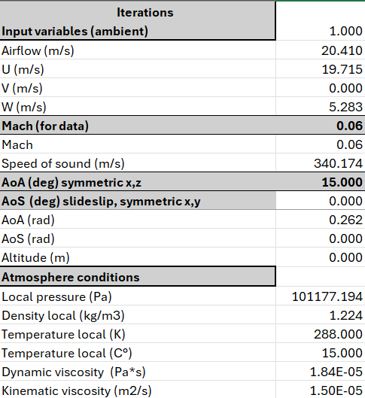
AoA (deg) x,z Lift
0 | 0.00211 | 0.00021 | 0.00680 | 0.00794 | 0.01030 | 0.00525 | 3.63081
5
10
15
20
25
30
AoA (deg) x,z SideForce
0 | 0.003024754 | 0.0075993732 | 0.0047434296 | 0.0087547752 | 0.004089126 | 0.036209692 | 1.7392082
5
10
15
20
25
30
AoA (deg) x,z Drag
0 | 0.44388 | 1.17805 | 9.95241 | 27.24731 | 54.03072 | 188.40852 | 573.49604
5 |  |  |  |  |  |  |  |  |  |  | sound speed SL | 340 | m/s
$$F=\overline{q}A_{ref}C_{F}$$
10 |  |  |  |  |  |  |  |  |  |  | T local | 288 | K
15 |  |  |  |  |  |  |  |  |  |  | Aref | 0.013867686977 | m^2
$$M=\overline{q}A_{ref}L_{r}C_{M}$$
20 |  |  |  |  |  |  |  |  |  |  | rho at 1 atm, 288K | 1.224 | kg/m3
25 |  |  |  |  |  |  |  |  |  |  | Reference length | 0.8 | m
30
AoA (deg) x,z Moment axis x
0 | 3.94E-07 | 1.07E-06 | 3.49E-06 | 6.21E-06 | 1.05E-05 | 3.54E-05 | -4.69E-05
5
10
15
20
25
30
AoA (deg) x,z Moment axis y |  |  |  |  |  |  |  |  |  |  |  |  | 126
0 | -0.0008406785 | -9.94E-06 | -0.0028579856 | -0.0027765043 | -0.0035801428 | -0.012667222 | 1.9839978
5
10
15
20
25
30
AoA (deg) x,z Moment axis z
0 | -0.001254186 | -0.003324216 | -0.0027258663 | -0.0057863556 | -0.0062785508 | 0.02958074 | -1.2803529
5
10
15
20
25
30

Aerodynamic CFD dynamic coeficients per fin
AoA (deg) x,z Lift | 0.00059608326488 | 2.1742977755E-05 | 7.6960887811E-05 | 3.238560801E-05 | 2.1434800893E-05 | 5.354113822E-06 | 0.0016447798551
0
5
10
15
20
25
30
dCL /dAoA
AoA (deg) x,z SideForce
0 | 0.00085639529485 | 0.00077457680288 | 5.3720081579E-05 | 3.5693711078E-05 | 8.5059167229E-06 | 3.6907237906E-05 | 0.00078787218756
5
10
15
20
25
30
dCSF /dAoS (angle of slideslip)
AoA (deg) x,z Drag
0 | 0.12567454305 | 0.12007438294 | 0.11271263044 | 0.11108879963 | 0.11239095158 | 0.19203803421 | 0.25979729143
5
10
15
20
25
30
dCD /dAoA
CP from coordinate 0,0,0 (middle of forebody Mz for Fy)
$$M_{Z} for F_{Y}$$
0 | -0.39930727654 | -0.046610647948 | -0.42056601113 | -0.349536876 | -0.34743337042 | -2.4114624069 | 0.54643386098
$$M_{Y} for F_{Z}$$
5
10
15
20
25
30
CP from coordinate 0,0,0 (middle of forebody My for Fz)
0 | -0.41464066169 | -0.43743291881 | -0.57466148544 | -0.66093708494 | -1.5354261033 | 0.81692879354 | -0.73616999966
5
10
15
20
25
30

CFD forebody
Aerodynamic CFD static coeficients per fin | 0.06 | 0.1 | 0.3 | 0.5 | 0.7 | 1 | 1.5 | 2 | 3 | 5
Mach (std temp 288K, 1 atm, vel in m/s) | 20.4 | 34 | 102 | 170 | 238 | 340 | 510 | 680 | 1020 | 1700 | Atmosphere and boundary layer cond
dynamic pressure (Pa. 0.5*rho*V^2) | 254.68992 | 707.472 | 6367.248 | 17686.8 | 34666.128 | 70747.2 | 159181.2 | 282988.8 | 636724.8 | 1768680
AoA (deg) x,z Lift
0 | 0.00211 | 0.00021 | 0.00680 | 0.00794 | 0.01030 | 0.00525 | 3.63081
5
10
15
20
25
30
AoA (deg) x,z SideForce
0 | 0.003024754 | 0.0075993732 | 0.0047434296 | 0.0087547752 | 0.004089126 | 0.036209692 | 1.7392082
5
10
15
20
25
30
AoA (deg) x,z Drag
0 | 0.44388 | 1.17805 | 9.95241 | 27.24731 | 54.03072 | 188.40852 | 573.49604
5 |  |  |  |  |  |  |  |  |  |  | sound speed SL | 340 | m/s
$$F=\overline{q}A_{ref}C_{F}$$
10 |  |  |  |  |  |  |  |  |  |  | T local | 288 | K
15 |  |  |  |  |  |  |  |  |  |  | Aref | 0.013867686977 | m^2
$$M=\overline{q}A_{ref}L_{r}C_{M}$$
20 |  |  |  |  |  |  |  |  |  |  | rho at 1 atm, 288K | 1.224 | kg/m3
25 |  |  |  |  |  |  |  |  |  |  | Reference length | 0.8 | m
30
AoA (deg) x,z Moment axis x
0 | 3.94E-07 | 1.07E-06 | 3.49E-06 | 6.21E-06 | 1.05E-05 | 3.54E-05 | -4.69E-05
5
10
15
20
25
30
AoA (deg) x,z Moment axis y
0 | -0.0008406785 | -9.94E-06 | -0.0028579856 | -0.0027765043 | -0.0035801428 | -0.012667222 | 1.9839978
5
10
15
20
25
30
AoA (deg) x,z Moment axis z
0 | -0.001254186 | -0.003324216 | -0.0027258663 | -0.0057863556 | -0.0062785508 | 0.02958074 | -1.2803529
5
10
15
20
25
30

Aerodynamic CFD dynamic coeficients per fin
AoA (deg) x,z Lift | 0.00059608326488 | 2.1742977755E-05 | 7.6960887811E-05 | 3.238560801E-05 | 2.1434800893E-05 | 5.354113822E-06 | 0.0016447798551
0
5
10
15
20
25
30
dCL /dAoA
AoA (deg) x,z SideForce
0 | 0.00085639529485 | 0.00077457680288 | 5.3720081579E-05 | 3.5693711078E-05 | 8.5059167229E-06 | 3.6907237906E-05 | 0.00078787218756
5
10
15
20
25
30
dCSF /dAoS (angle of slideslip)
AoA (deg) x,z Drag
0 | 0.12567454305 | 0.12007438294 | 0.11271263044 | 0.11108879963 | 0.11239095158 | 0.19203803421 | 0.25979729143
5
10
15
20
25
30
dCD /dAoA
CP from coordinate 0,0,0 (middle of forebody Mz for Fy)
$$M_{Z} for F_{Y}$$
0 | -0.39930727654 | -0.046610647948 | -0.42056601113 | -0.349536876 | -0.34743337042 | -2.4114624069 | 0.54643386098
$$M_{Y} for F_{Z}$$
5
10
15
20
25
30
CP from coordinate 0,0,0 (middle of forebody My for Fz)
0 | -0.41464066169 | -0.43743291881 | -0.57466148544 | -0.66093708494 | -1.5354261033 | 0.81692879354 | -0.73616999966
5
10
15
20
25
30

Aerodynamic design
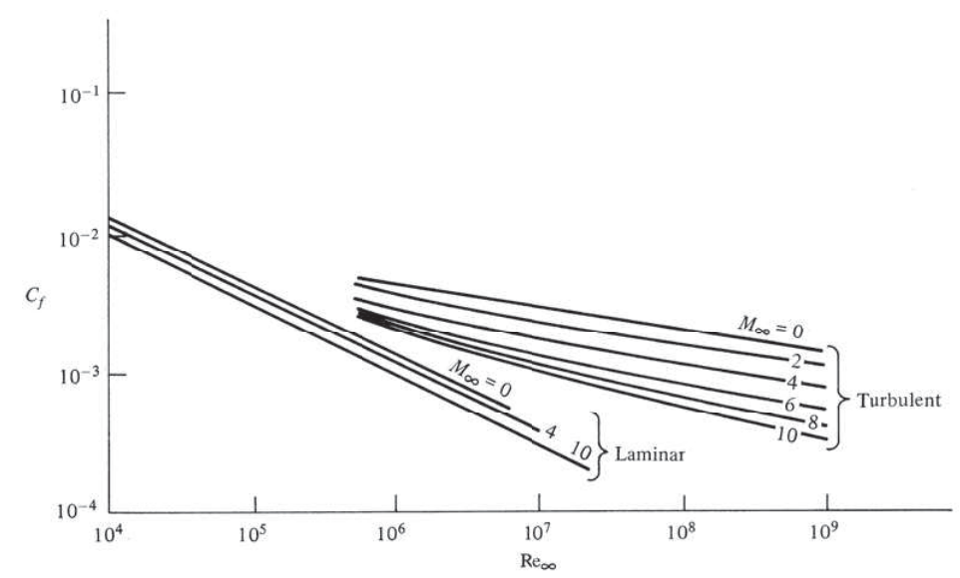
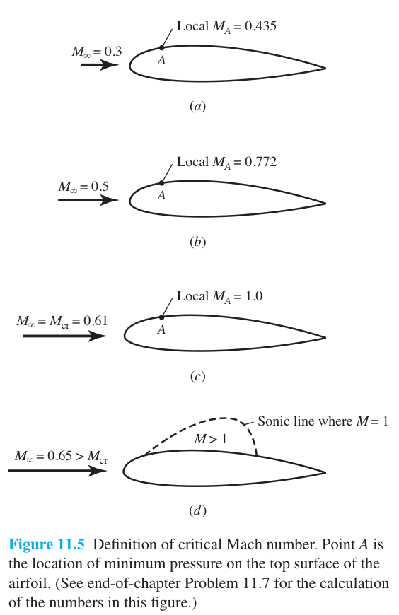
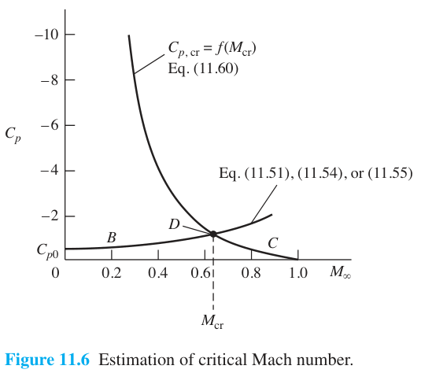
Traslational and rotational inputs
Velocity components |  |  |  |  |  | Row Labels | Sum of Drag (interfered) | Sum of Lift (interfered
u | 100 | m/s | 360 | km/hr |  | 0.0036 | 0.0000 | 0.0000
v | 10 |  | 36 |  |  | 0.0107 | 0.0000 | 0.0000
w | 4 |  | 14.4 |  |  | 0.0179 | 0.0000 | 0.0000
Acceleration due to thrust |  |  |  |  |  | 0.0250 | 0.0000 | 0.0000
u_dot |  | m/s^2 |  | - |  | 0.0321 | 0.0000 | 0.0000
v_dot |  |  |  |  |  | 0.0393 | 0.0000 | 0.0000
w_dot |  |  |  |  |  | 0.0464 | 1.0150 | 1.2937
Mach | #DIV/0! | - |  | - |  | 0.0536 | 0.9752 | 1.2429
Density | 9.800 | kg/m^3 |  |  |  | 0.0607 | 0.9354 | 1.1922
Viscosity | 6.38E+01 | N*s/m^2 |  |  |  | 0.0679 | 0.8956 | 1.1415
Speed of sound | 0.000 | m/s |  | - |  | 0.0750 | 0.8558 | 1.0907
Temperature | 0.000 | K | -273.150 | ºC |  | 0.0821 | 0.8160 | 1.0400
Altitude | 420.000 | m | 0.420 | km |  | 0.0893 | 0.7762 | 0.9893
alpha | 2.291 | deg | 0.100 | rad |  | 0.0964 | 0.7364 | 0.9385
beta | 5.711 | deg | 0.040 |  |  | 0.1036 | 0.6966 | 0.8878
tetha |  |  |  | rad |  | 0.1107 | 0.6568 | 0.8371
phi |  |  |  |  |  | 0.1179 | 0.6169 | 0.7863
psi |  |  |  |  |  | 0.1250 | 0.5771 | 0.7356
p |  |  |  | rad/s |  | 0.1321 | 0.5373 | 0.6849
q |  |  |  |  |  | 0.1393 | 0.4975 | 0.6341
r |  |  |  |  |  | 0.1464 | 0.4577 | 0.5834
 |  |  |  |  |  | Grand Total | 11.0454 | 14.0780

 |  |  |  |  |  |  |  |  |  |  |  | 0.0027
Geometric data (RPT 5.)
Airfoil data fins |  |  |  |  |  | Node | Span position (m) | Local max Reynolds | Local chord (m) | Local taper ratio | Local MAC (m) | Local surface (m^2) | Local wetted surface (m^2) | Boundary-layer thickness (m) | Local u (m/s) | Local w (m/s) | AoA fins (rad) | Cl | Cf | Cd | Cm,LE | Xcp location | Lift | Drag | Moment (x-z) | Lift (interfered | Drag (interfered) | Moment (interfered)
Camber | 0 | rad | - |  |  | 1 | 0.0036 | 4.538E+00 | 0.2952 | 0.9841 | 0.2976 | 0.0011 | 0.0011 | #DIV/0! | 100.0000 | 4.0000 | 2.2906 | #DIV/0! | #DIV/0! | #DIV/0! | #DIV/0! | #DIV/0! | #DIV/0! | #DIV/0! | #DIV/0! | 0.0000 | 0.0000 | 0.0000
Incidence angle | 0 | deg | 0 | rad |  | 2 | 0.0107 | 4.392E+00 | 0.2857 | 0.9677 | 0.2811 | 0.0021 | 0.0020 | #DIV/0! | 100.0000 | 4.0000 | 2.2906 | #DIV/0! | #DIV/0! | #DIV/0! | #DIV/0! | #DIV/0! | #DIV/0! | #DIV/0! | #DIV/0! | 0.0000 | 0.0000 | 0.0000
Torsion angle | 0 | deg | 0 | deg |  | 3 | 0.0179 | 4.245E+00 | 0.2762 | 0.9667 | 0.2716 | 0.0020 | 0.0020 | #DIV/0! | 100.0000 | 4.0000 | 2.2906 | #DIV/0! | #DIV/0! | #DIV/0! | #DIV/0! | #DIV/0! | #DIV/0! | #DIV/0! | #DIV/0! | 0.0000 | 0.0000 | 0.0000
Fin type | Trapezoidal |  |  |  |  | 4 | 0.0250 | 4.099E+00 | 0.2667 | 0.9655 | 0.2621 | 0.0019 | 0.0019 | #DIV/0! | 100.0000 | 4.0000 | 2.2906 | #DIV/0! | #DIV/0! | #DIV/0! | #DIV/0! | #DIV/0! | #DIV/0! | #DIV/0! | #DIV/0! | 0.0000 | 0.0000 | 0.0000
Ct | 10 | cm | 0.1 | m |  | 5 | 0.0321 | 3.953E+00 | 0.2571 | 0.9643 | 0.2526 | 0.0019 | 0.0018 | #DIV/0! | 100.0000 | 4.0000 | 2.2906 | #DIV/0! | #DIV/0! | #DIV/0! | #DIV/0! | #DIV/0! | #DIV/0! | #DIV/0! | #DIV/0! | 0.0000 | 0.0000 | 0.0000
Cr | 30 | cm | 0.3 | m |  | 6 | 0.0393 | 3.806E+00 | 0.2476 | 0.9630 | 0.2431 | 0.0018 | 0.0018 | #DIV/0! | 100.0000 | 4.0000 | 2.2906 | #DIV/0! | #DIV/0! | #DIV/0! | #DIV/0! | #DIV/0! | #DIV/0! | #DIV/0! | #DIV/0! | 0.0000 | 0.0000 | 0.0000
t | 0.5 | cm | 0.005 | m |  | 7 | 0.0464 | 3.660E+00 | 0.2381 | 0.9615 | 0.2335 | 0.0017 | 0.0017 | #DIV/0! | 100.0000 | 4.0000 | 2.2906 | #DIV/0! | #DIV/0! | #DIV/0! | #DIV/0! | #DIV/0! | #DIV/0! | #DIV/0! | #DIV/0! | #DIV/0! | #DIV/0! | 0.0000
LE sweep | 0 | deg | 0 | rad |  | 8 | 0.0536 | 3.513E+00 | 0.2286 | 0.9600 | 0.2240 | 0.0017 | 0.0016 | #DIV/0! | 100.0000 | 4.0000 | 2.2906 | #DIV/0! | #DIV/0! | #DIV/0! | #DIV/0! | #DIV/0! | #DIV/0! | #DIV/0! | #DIV/0! | #DIV/0! | #DIV/0! | 0.0000
Taper ratio | 0.33333333333 |  |  |  |  | 9 | 0.0607 | 3.367E+00 | 0.2190 | 0.9583 | 0.2145 | 0.0016 | 0.0016 | #DIV/0! | 100.0000 | 4.0000 | 2.2906 | #DIV/0! | #DIV/0! | #DIV/0! | #DIV/0! | #DIV/0! | #DIV/0! | #DIV/0! | #DIV/0! | #DIV/0! | #DIV/0! | 0.0000
Span | 30 | cm | 0.3 | m |  | 10 | 0.0679 | 3.221E+00 | 0.2095 | 0.9565 | 0.2050 | 0.0015 | 0.0015 | #DIV/0! | 100.0000 | 4.0000 | 2.2906 | #DIV/0! | #DIV/0! | #DIV/0! | #DIV/0! | #DIV/0! | #DIV/0! | #DIV/0! | #DIV/0! | #DIV/0! | #DIV/0! | 0.0000
Total surface reference | 600 | cm^2 | 0.06 | m^2 |  | 11 | 0.0750 | 3.074E+00 | 0.2000 | 0.9545 | 0.1955 | 0.0015 | 0.0014 | #DIV/0! | 100.0000 | 4.0000 | 2.2906 | #DIV/0! | #DIV/0! | #DIV/0! | #DIV/0! | #DIV/0! | #DIV/0! | #DIV/0! | #DIV/0! | #DIV/0! | #DIV/0! | 0.0000
AR | 1.5 | - |  |  |  | 12 | 0.0821 | 2.928E+00 | 0.1905 | 0.9524 | 0.1860 | 0.0014 | 0.0014 | #DIV/0! | 100.0000 | 4.0000 | 2.2906 | #DIV/0! | #DIV/0! | #DIV/0! | #DIV/0! | #DIV/0! | #DIV/0! | #DIV/0! | #DIV/0! | #DIV/0! | #DIV/0! | #DIV/0!
MAC | 21.666666667 | cm | 0.21666666667 | m |  | 13 | 0.0893 | 2.781E+00 | 0.1810 | 0.9500 | 0.1765 | 0.0013 | 0.0013 | #DIV/0! | 100.0000 | 4.0000 | 2.2906 | #DIV/0! | #DIV/0! | #DIV/0! | #DIV/0! | #DIV/0! | #DIV/0! | #DIV/0! | #DIV/0! | #DIV/0! | #DIV/0! | #DIV/0!
CP location | 5.4166666667 | cm | 0.054166666667 | m |  | 14 | 0.0964 | 2.635E+00 | 0.1714 | 0.9474 | 0.1670 | 0.0013 | 0.0012 | #DIV/0! | 100.0000 | 4.0000 | 2.2906 | #DIV/0! | #DIV/0! | #DIV/0! | #DIV/0! | #DIV/0! | #DIV/0! | #DIV/0! | #DIV/0! | #DIV/0! | #DIV/0! | #DIV/0!
Re_max | 4.61E+02 | - | LAMINAR |  |  | 15 | 0.1036 | 2.489E+00 | 0.1619 | 0.9444 | 0.1575 | 0.0012 | 0.0012 | #DIV/0! | 100.0000 | 4.0000 | 2.2906 | #DIV/0! | #DIV/0! | #DIV/0! | #DIV/0! | #DIV/0! | #DIV/0! | #DIV/0! | #DIV/0! | #DIV/0! | #DIV/0! | #DIV/0!
Re_min | 1.54E+02 | - | LAMINAR |  |  | 16 | 0.1107 | 2.342E+00 | 0.1524 | 0.9412 | 0.1479 | 0.0011 | 0.0011 | #DIV/0! | 100.0000 | 4.0000 | 2.2906 | #DIV/0! | #DIV/0! | #DIV/0! | #DIV/0! | #DIV/0! | #DIV/0! | #DIV/0! | #DIV/0! | #DIV/0! | #DIV/0! | #DIV/0!
No of Segments | 21 |  |  |  |  | 17 | 0.1179 | 2.196E+00 | 0.1429 | 0.9375 | 0.1384 | 0.0011 | 0.0010 | #DIV/0! | 100.0000 | 4.0000 | 2.2906 | #DIV/0! | #DIV/0! | #DIV/0! | #DIV/0! | #DIV/0! | #DIV/0! | #DIV/0! | #DIV/0! | #DIV/0! | #DIV/0! | #DIV/0!
Aerodynamic slope | 2.0943951024 | - | 6.2831853072 | ideal |  | 18 | 0.1250 | 2.049E+00 | 0.1333 | 0.9333 | 0.1289 | 0.0010 | 0.0010 | #DIV/0! | 100.0000 | 4.0000 | 2.2906 | #DIV/0! | #DIV/0! | #DIV/0! | #DIV/0! | #DIV/0! | #DIV/0! | #DIV/0! | #DIV/0! | #DIV/0! | #DIV/0! | #DIV/0!
Cd form | 0.04 | - |  |  |  | 19 | 0.1321 | 1.903E+00 | 0.1238 | 0.9286 | 0.1194 | 0.0009 | 0.0009 | #DIV/0! | 100.0000 | 4.0000 | 2.2906 | #DIV/0! | #DIV/0! | #DIV/0! | #DIV/0! | #DIV/0! | #DIV/0! | #DIV/0! | #DIV/0! | #DIV/0! | #DIV/0! | #DIV/0!
AoA | 2.291 | deg | 0.039978687123 |  |  | 20 | 0.1393 | 1.757E+00 | 0.1143 | 0.9231 | 0.1099 | 0.0009 | 0.0008 | #DIV/0! | 100.0000 | 4.0000 | 2.2906 | #DIV/0! | #DIV/0! | #DIV/0! | #DIV/0! | #DIV/0! | #DIV/0! | #DIV/0! | #DIV/0! | #DIV/0! | #DIV/0! | #DIV/0!
Vmin at launch | 20 | m/s | 72 | km/hr |  | 21 | 0.1464 | 1.610E+00 | 0.1048 | 0.9167 | 0.1005 | 0.0008 | 0.0007 | #DIV/0! | 100.0000 | 4.0000 | 2.2906 | #DIV/0! | #DIV/0! | #DIV/0! | #DIV/0! | #DIV/0! | #DIV/0! | #DIV/0! | #DIV/0! | #DIV/0! | #DIV/0! | #DIV/0!
Fuselage outer diameter | 8 | cm | 0.08 | m |  |  |  |  |  |  |  |  |  |  |  |  |  |  |  |  |  |  | #DIV/0! | #DIV/0! | #DIV/0! | #DIV/0! | #DIV/0! | #DIV/0!
Real semi-span | 11 | cmm | 0.11 | m | x
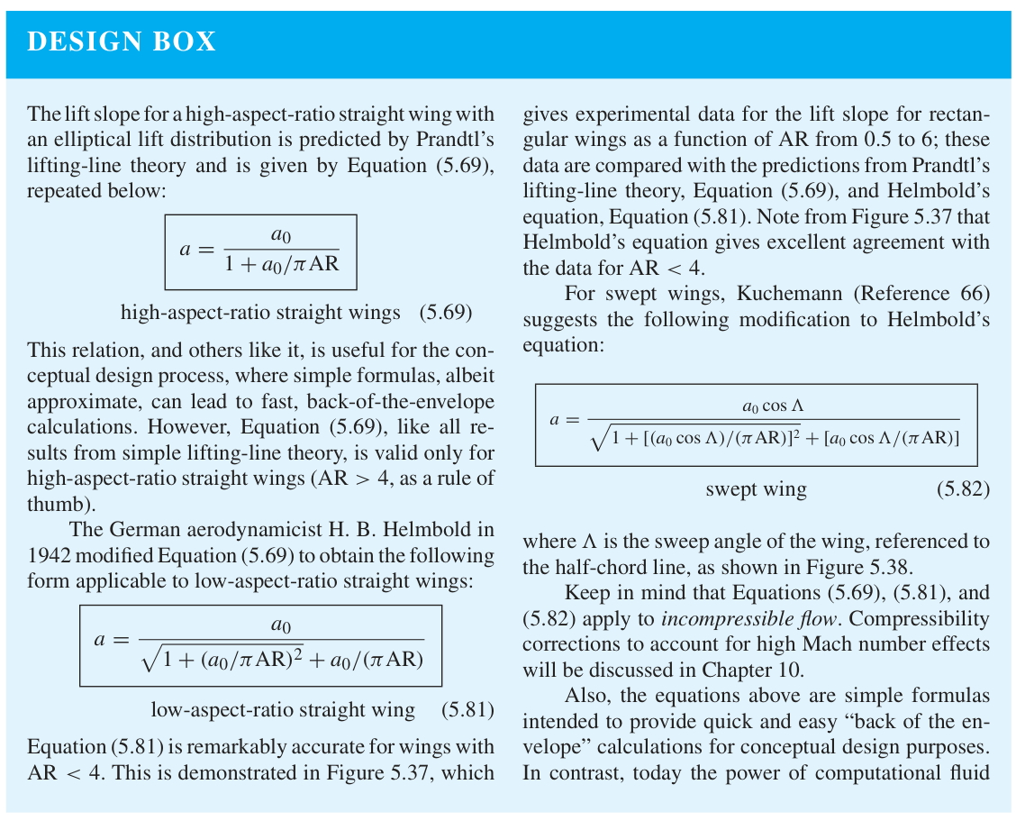

 | FIN |  | AERO FIN
110.000 | 6.350 | 84.600 | 0.000
110.938 | 10.100 | 110.000 | 3.000
112.813 | 17.600 | 110.938 | 10.100
114.688 | 25.100 | 112.813 | 17.600
116.563 | 26.350 | 114.688 | 25.100
118.438 | 26.350 | 116.563 | 26.350
120.313 | 26.350 | 118.438 | 26.350
122.188 | 26.350 | 120.313 | 26.350
125.000 | 26.350 | 125.000 | 26.350
125.000 | 6.350 | 125.000 | 0.000

RocketData
Forebody Near-Zero AoA

$$L_{n}/d C_{N} nosecone (per radian)$$
Lift

Mach numb | 1.5 | 3 | 5 | 7
0 | 2 | 2 | 2 | 2
0.3 | 2.01 | 2.01 | 2.01 | 2.01
0.4 | 2.02 | 2.02 | 2.02 | 2.02
0.5 | 2.03 | 2.03 | 2.03 | 2.03
0.6 | 2.05 | 2.05 | 2.05 | 2.05
0.7 | 2.06 | 2.06 | 2.06 | 2.06
0.8 | 2.1 | 2.1 | 2.1 | 2.1
0.9 | 2.16 | 2.16 | 2.16 | 2.16
1 | 2.3 | 2.3 | 2.3 | 2.3
1.05 | 2.36 | 2.36 | 2.36 | 2.36
1.1 | 2.4 | 2.4 | 2.4 | 2.4
1.15 | 2.38 | 2.37 | 2.37 | 2.38
1.2 | 2.37 | 2.32 | 2.3 | 2.3
1.3 | 2.35 | 2.27 | 2.21 | 2.21
1.4 | 2.35 | 2.25 | 2.16 | 2.13
1.5 | 2.35 | 2.24 | 2.12 | 2.08
1.75 | 2.37 | 2.26 | 2.08 | 2.03
2 | 2.4 | 2.31 | 2.08 | 2.01
2.25 | 2.42 | 2.36 | 2.12 | 2.03
2.5 | 2.45 | 2.4 | 2.15 | 2.06
3 | 2.48 | 2.49 | 2.22 | 2.1
3.5 | 2.51 | 2.57 | 2.28 | 2.14
4 | 2.53 | 2.63 | 2.34 | 2.18
4.5 | 2.56 | 2.67 | 2.39 | 2.21
5 | 2.57 | 2.7 | 2.43 | 2.24

Cp
 | L_n/d
Mach numb | 1.5 | 2 | 3 | 5 | 6 | 7
0 | 0.466 | 0.466 | 0.466 | 0.466 | 0.466 | 0.466
1 | 0.466 | 0.466 | 0.466 | 0.466 | 0.466 | 0.466
2 | 0.75 | 1.02 | 1.59 | 2.1 | 3.02 | 3.35
3 | 0.93 | 1.25 | 1.84 | 2.4 | 3.23 | 3.43
4 | 1.2 | 1.52 | 2.08 | 2.6 | 3.43 | 3.74
5 | 1.35 | 1.62 | 2.12 | 2.6 | 3.43 | 3.74

largo | 7.5
1 cal | 5 | cm
 | 0.699 | cal
 | 3.495 | cm

Forebody Finite AoA
$C_{N}=C_{Nα0}\sin\left(α\right)\cos\left(α\right)+\frac{4}{π }\frac{L}{d}C_{NC}C_{PL}$

$$C_{Nforebody}=C_{Nα0}\sin\left(α\right)\cos\left(α\right)$$

$$C_{Ncrossflow}=\frac{4}{π }\frac{L}{d}C_{NC}C_{PL}$$

For Mach = 0.5
AoA | C_NC | dC_NC
0 | 0 | 0.0010
5 | 0.005 | 0.0010
10 | 0.015 | 0.0010
15 | 0.035 | 0.0013
20 | 0.065 | 0.0015
25 | 0.11 | 0.0018
30 | 0.175 | 0.0022
 | avg | 0.0014

Only valid for +/- 5 deg
Mach number | d(C_NC)/da
0 | 0.063
0.5 | 0.068
0.7 | 0.069
0.8 | 0.069
0.9 | 0.067
1 | 0.066
1.2 | 0.063
1.5 | 0.057
2 | 0.06
2.5 | 0.066
3 | 0.077
3.5 | 0.092
4 | 0.115

For C_PL | planform coefficient
$$C_{PL}=C_{Pf}\frac{L_{N}}{L}+\frac{L_{m}}{L}+C_{pa}\frac{L_{T}}{L}$$

L-N | length of cone
L-M | length of circular section between cone and tail
L-T | length of boat-tail
L | total length
$$C_{Pf}=\frac{1}{2}\left(\left(\frac{{\left(F+1\right)}^{2}}{\sqrt{2F+1}}sin^{−1}\left(\frac{\sqrt{2F+1}}{F+1}\right)\right)−F\right)$$

$$F=\frac{1}{2}\left(4{\left(\frac{L_{N}}{d}\right)}^{2}−1\right)$$

Stability
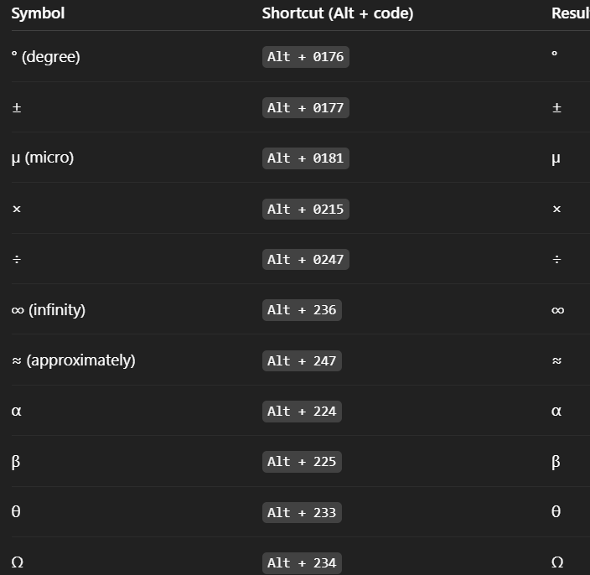
Model for aircraft dynamics | Total der. | 18
 | Derivative | Description | Notes
Total | CL | Lift coefficient | Lifting capability
 | CD | Drag coefficient | Aircraft total drag
 | CXu | Change in drag (or axial force) coefficient due to forward velocity u' | aerodynamic drag behavior
Drag force | CXα | Change in drag (or axial force) coefficient due to angle of attack α' | drag increases with α
 | CXq | Change in drag (or axial force) coefficient due to pitch rate q' | drag increase pitching up or down
 | CZu | Change in lift coefficient due to forward velocity u' | aerodynamic lift behavior
Lift force | CZα | Change in lift coefficient due to angle of attack α' | lift generated due changes in α
 | CZq | Change in lift coefficient due to pitch rate q' | lift generated by pitching
 | CYß | Change in side force coefficient due to slideslip angle ß' | side force generated by slideslip, lateral-directional
Side force | CYp | Change in side force coefficient due to roll rate p' | side force due to rolling rate
 | CYr | Change in side force coefficient due to yaw rate r' | side force generated by yaw rate
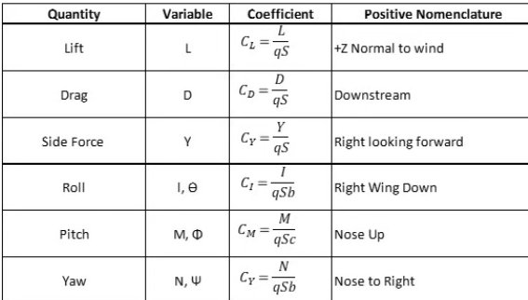
 | CLp | Change in rolling coefficient due to roll rate p' (roll ramping) | stabilizing moment resisting rollingmotion
Rolling moment | CLß | Change in rolling coefficient due to slideslip angle ß' | dihedral effect
 | CLr | Change in rolling moment coefficient due to yaw rate r' | yaw-roll coupling, important for dutch roll
 | CMu | Change in pitching moment coefficient due to changes in forward velocity u' | indicates change in pitching moment | 2.8624052261
Pitching moment | CMα | Change in pitching moment coefficient due to changes angle of attack α' | determines aircraft stability margin
 | CMq | Change in pitching moment coefficient due to changes in pitch rate q (pitch damping) | damping moment that resist furtherchanges in pitch rate
 | CNß | Change in yawing moment coefficient due to slideslip ß' | restoring yawing moment
Yawing moment | CNp | Change in yawing moment coefficient due to roll rate p' | yawing tendency during rolling motion
 | CNr | Change in yawing moment coefficient due to yaw rate r' (yaw damping) | yaw damping moment, provides dynamic stability

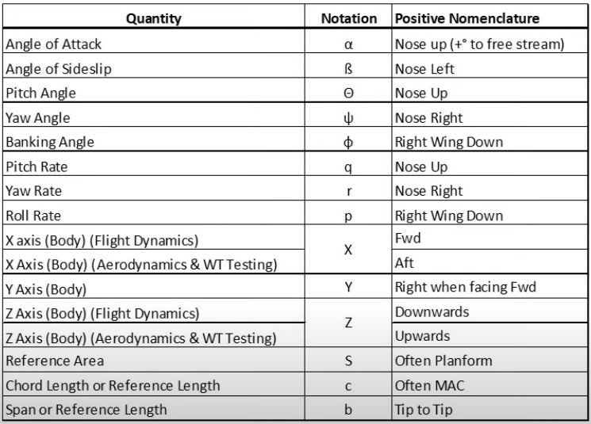
Reduced model to rocket dynamics
X
Y
Z
Pitch P
Roll Q
Yaw R

